Help
Meta:
A list of all the meta (hidden) information contained in the selected file or message. This can be used to automatically build a new file name and destination in the Name/Template boxes below
Configuration:
Lists: Refresh the dropdown lists (Projects, Tags) and hidden name-to-country list.
Folders: click to refresh the list of target folders; double-click to open the list of folders.
Options: all the user options for CorLog. (see below)
Choose the item s to be logged:
Drop: drag and drop files, documents here .
Folder: show all files in a specific folder
Outlook: show the currently selected messages in Outlook
(click tabs to refresh the list)

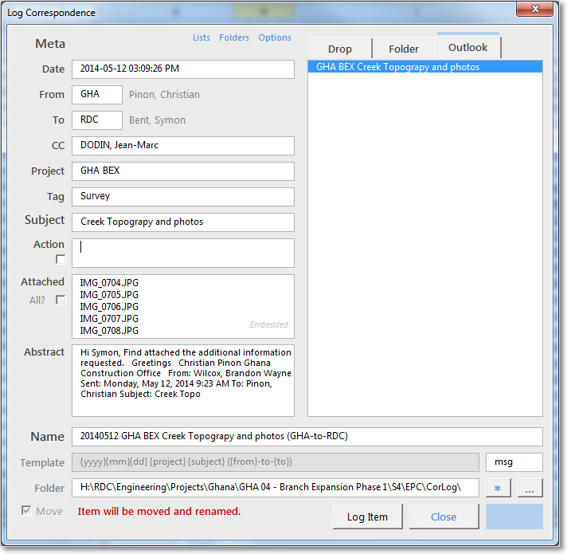

Project:
Guesses project name based on Subject line up to a fixed symbol (see Options)
OR: press 1-9 in this box to capture the first words of the Subject line, e.g press "2" to grab the first 2 words from the Subject
Use Ctrl+Click to select more than one item to be saved.

Extension:
The format used when saving an Outlook message.

Name:
The new name of the file. This is combined with the "Folder" box below to produce the final path.
This name is create using the Template below.

Target:
Click to guess the target folder based on the Project name.

Template:
How the new file name is created. Click this field to see a list of possible template options based on the metadata above.
Default Folder:
Click to set the default target folder.

Drop Target:
Drop a new target folder here from Windows Explorer.
A quick way to set a rarely used target folder.

Move:
Either move the file to a completely new location, or rename it in-place.
Items from Outlook are always moved!
Target folder:
The name above is added to this target folder to create the final resting place for the file or message.
Click to choose the target folder from a list (based on the folders option above)
If the text is RED then the Project name does not match the Folder selected.
Start the logging process

What to do with the original file once it has been archived.
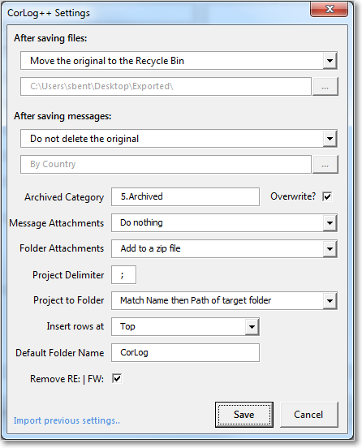

What to do with the original Outlook e-mail once it has been archived.

How to label archived Emails in Outlook (useful if you choose not to delete it.)
Overwrite removes all existing labels first.

How File Attachments will be saved:
1. As a zipped folder
3. As a normal folder
How attachments will be saved:
1. Embedded in the message
2. To a separate zipped folder
3. To a separate normal folder

Everything in the Subject line up to this symbol/character is considered as the Project name
Matching Project to Folder:
How to match the Project name to the target folder:
1. No match
2. Match the folder Name
3. Match the folder Path
4. Match both Name and Path (default)

Where to insert new lines in the CorLog: At the top or the bottom of the list

Remove the "RE:" or "FW:" from the Subject line
The default folder name for the CorLog.
If you Ctrl + Click the select folder option in the main window then this folder name is added to the path of this workbook.
This is useful if you save you email relative to the location of this workbook.

